2021 Cheesecake sales sheet
Fall 2021 Sales Sheet
Sales to Benefit: | Warren County Community Singers |  | 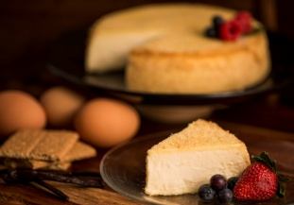 415 Route 31 North Ringoes N J 08551 www.maddalenascatering.com |  |  |  |  |  |  |  |  |  |  |  | 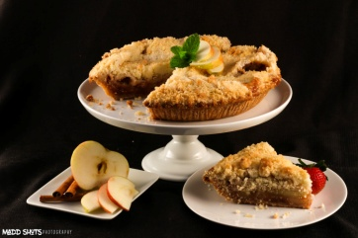
Sales Person Name Phone # Email |  |  | Original Gourmet |  |  |  |  |  |  | GLUTEN FREE |  |  |  | 1.5 lb |  | 7" CheeseCake 2 Lb 10" Apple Pies 3.75 Lb
 |  |  | CheeseCake |  |  |  |  |  |  | CheeseCake |  |  |  |  | Pie
 |  |  | Vanilla | Chocolate Chip | Strawberry | Marble Swirl | Black Forest Swirl | Pumpkin | Chocolate | GF Vanilla | GF Chocolate chip | GF Marble | GF Pumpkin | Keto -Vanilla Almond Crusted | Apple Crumb Pie | Thank you for supporting our fundraising campaign
Fundraiser Order #
Orders due - Deadline | Tuesday, October 26, 2021
Delivery Date | Tuesday, November 16, 2021
Coordinator Name & Ph# | Mary Murdock. (908) 303-3467
email | wicket21@hotmail.com
Coordinator asst. Name &ph# | Bill LePore
email
Name | Phone | Email | $20 |  |  |  |  |  | $22 | $24 |  |  |  | $23 | $24 | Qty | Total $ | Paid

Put a "0" if necessary Double Check all numbers |  | Sheet Totals | 0 | 0 | 0 | 0 | 0 | 0 | 0 | 0 | 0 | 0 | 0 | 0 | 0 | 0 | 0
 |  |  |  |  |  |  |  |  |  |  |  |  |  |  |  |  | Sheet__of__

